2023
Public Prosecution Service for Northern Ireland Perceptions of the Public Prosecution Service Findings from the Northern Ireland Life and Times Survey September 2023 - January 2024 | 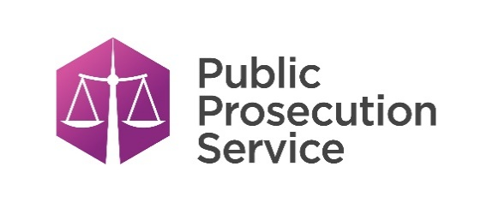
Includes Don't knows

Question 1
Had you heard of the Public Prosecution Service for Northern Ireland, 'the PPS'?

Question 2
How confident are you that the Public Prosecution Service is effective at prosecuting people accused of committing a crime?

Question 3
How confident are you that the Public Prosecution Service provides a fair and impartial prosecution service?

Question 4
How confident are you that the Public Prosecution Service takes it prosecution decisions independently? (That is, independent of police, Government or any other body).

Question 1
Question 1 - Had you heard of the Public Prosecution Service for Northern Ireland, 'the PPS'?
Includes Don't Knows

Year | Response | All Adults | <25 years | 25-44 years | 45-64 years | 65+ years | Male | Female | Catholic | Protestant | No Religion
2023 | Yes | 85.1 | 56 | 76.8 | 96 | 95.1 | 89 | 81.2 | 87.2 | 84.7 | 86.8
 | No | 11.8 | 35.2 | 17.7 | 3 | 4.5 | 8.4 | 15 | 10.1 | 12.1 | 11.2
 | Don't know | 3.2 | 8.8 | 5.5 | 1 | 0.4 | 2.6 | 3.8 | 2.7 | 3.2 | 2
 | Unweighted Base | 1198 | 55 | 359 | 464 | 317 | 520 | 675 | 397 | 457 | 300

Had you heard of the PPS NI (Religion)

Question 3
Question 3 - How confident are you that the Public Prosecution Service provides a fair and impartial prosecution service?
Includes Don't Knows

Year | Response | All Adults | <25 years | 25-44 years | 45-64 years | 65+ years | Male | Female | Catholic | Protestant | No Religion
2023 | Very/Fairly Confident | 47 | N/A | 41.9 | 48.7 | 55.2 | 51.7 | 41.7 | 41.2 | 54.4 | 44.9
 | Not Very/Not At All Confident | 36.8 | N/A | 38.6 | 34.5 | 33.3 | 36.3 | 37.3 | 39.3 | 33.2 | 38.9
 | Don't Know | 16.2 | N/A | 19.5 | 16.8 | 11.5 | 12 | 21 | 19.5 | 12.4 | 16.2
 | Unweighted Base | 1053 | N/A | 277 | 445 | 301 | 477 | 574 | 354 | 403 | 268

Confidence in the Public Prosecution Service providing a fair and impartial prosecution service (Gender)

Question 4
Question 4 - How confident are you that the Public Prosecution Service takes it prosecution decisions independently? (That is, independent of police, Government or any other body).
Includes Don't Knows

Year | Response | All Adults | <25 years | 25-44 years | 45-64 years | 65+ years | Male | Female | Catholic | Protestant | No Religion
2023 | Very/Fairly Confident | 43.4 |  | 43.2 | 41.9 | 50 | 46.4 | 40.1 | 43.8 | 48.2 | 39.6
 | Not Very/Not At All Confident | 35.7 |  | 34.7 | 36.4 | 32.5 | 37.5 | 33.8 | 35.1 | 32.6 | 39.2
 | Don't know | 20.8 |  | 22.1 | 21.7 | 17.5 | 16.1 | 26.1 | 21.1 | 19.1 | 21.1
 | Unweighted Base | 1053 |  | 277 | 445 | 301 | 477 | 574 | 354 | 403 | 268

Confidence in PPS taking prosecution decisions independently (Gender)

